Sheet
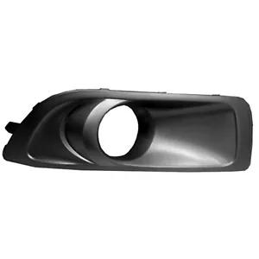
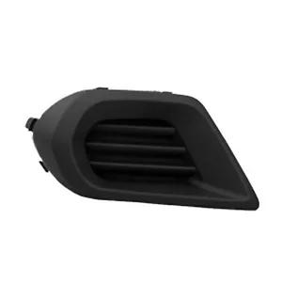
SKU | Image | product title | parts_from_title | price | location | quantity | Condition | Brand | Compatibility | Manufacturer Part Number | Shipping Type | Interchange Part Number | UPC
SU1039101 |  | Details about SU1039101 PASSENGER SIDE FOG LIGHT BEZEL | SU1039101 | US $23.52 | United States, United States | 2 available | New | Crash Parts Fast | 2012|Subaru|Outback | SU1039101 | UPS | 57731AJ42A | 615343630366
SU1039104 |  | Details about SU1039104 PASSENGER SIDE FOG HOLE COVER | SU1039104 | US $41.83 | United States, United States | 10 available | New | Crash Parts Fast | 2014|Subaru|Forester | SU1039104 | UPS | 57731SG040 | 615343556659
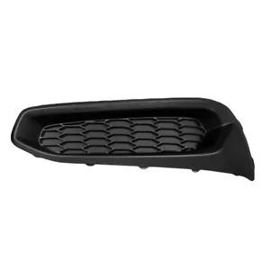
SU1039105 |  | Details about SU1039105 PASSENGER SIDE FOG LAMP HOLE COVER | SU1039105 | US $24.89 | United States, United States | 2 available | New | Crash Parts Fast | 2013|Subaru|Legacy | SU1039105 | UPS | 57731AJ71A | 615343630342
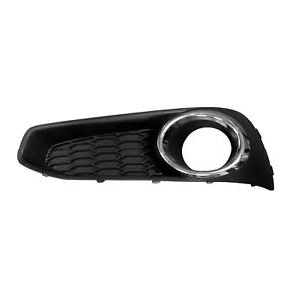
SU1039106 |  | Details about SU1039106 PASSENGER SIDE FOG LIGHT BEZEL | SU1039106 | US $40.02 | United States, United States | 7 available | New | Crash Parts Fast | 2014|Subaru|Legacy | SU1039106 | UPS | 57731AJ680 | 615343630335
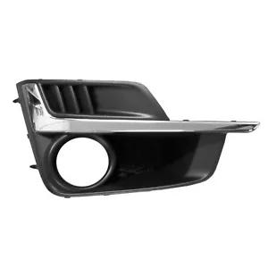
SU1039110 |  | Details about SU1039110 PASSENGER SIDE FOG LIGHT BEZEL | SU1039110 | US $34.57 | United States, United States | 6 available | New | Crash Parts Fast | 2015|Subaru|Impreza | SU1039110 | UPS | 57731FJ300 | 615343569352
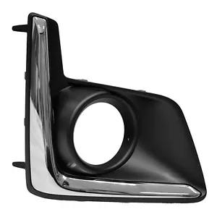
SU1039112 |  | Details about SU1039112 FRONT PASSENGER SIDE FOG LIGHT BEZEL | SU1039112 | US $30.39 | United States, United States | 10 available | New | Crash Parts Fast | 2016|Subaru|Crosstrek | SU1039112 | UPS | 57731FJ420 | 191275079751

